graph
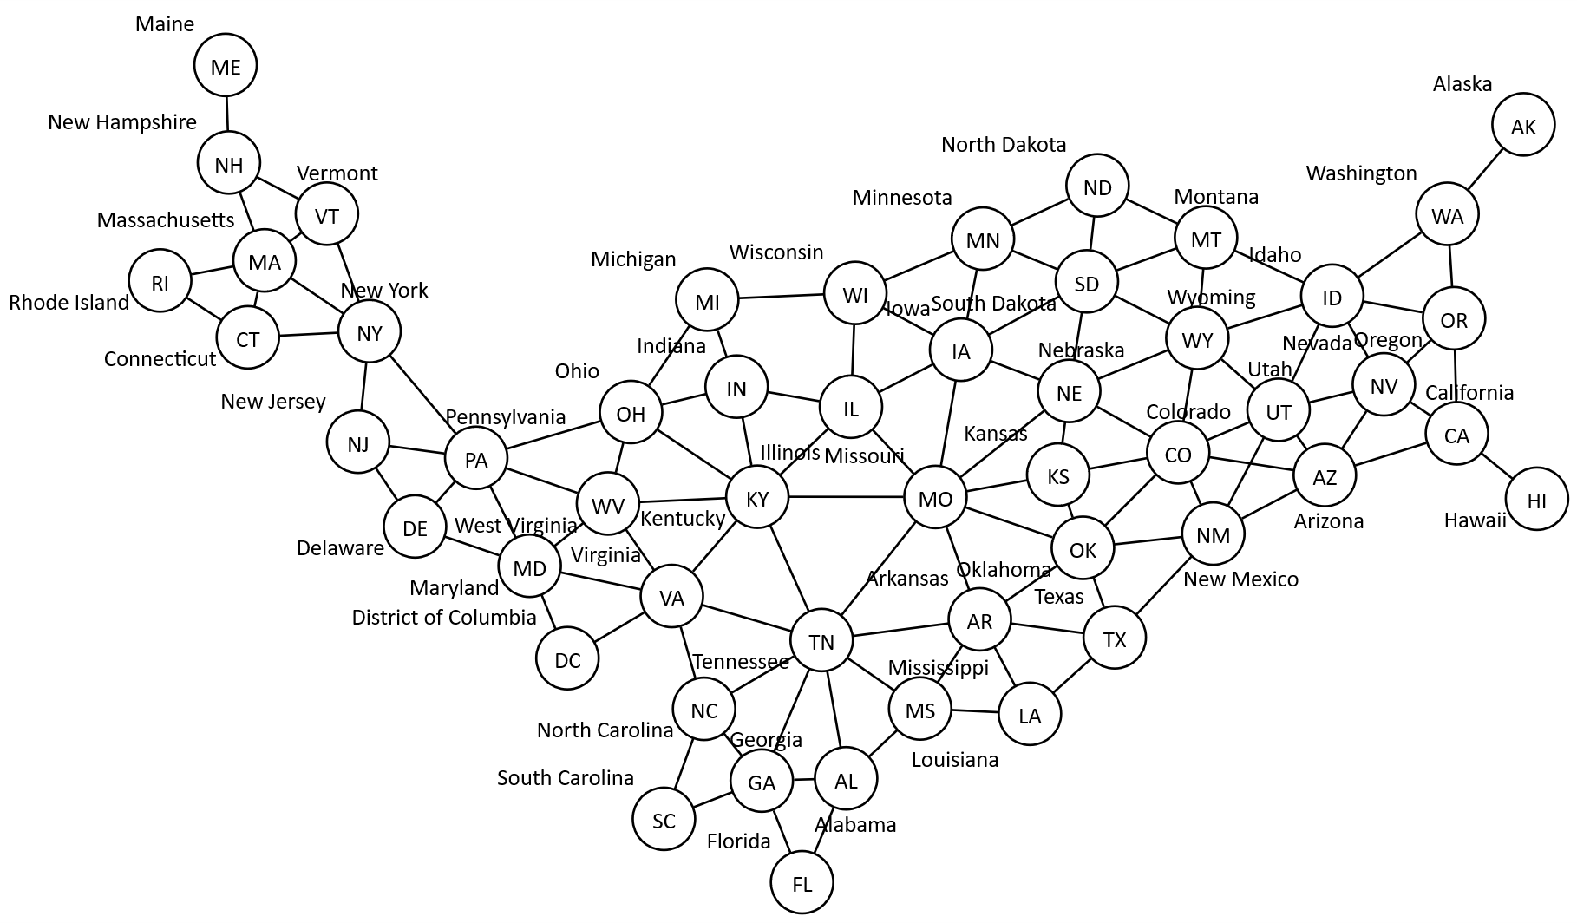

sql
 | SQL SELECT Statement | Excel data file (.xlsx, .xlsm, .xlsb, or .xls only) | Status

 | SELECT 'node' as [ITEM], 'Circle' as [Style Name] | usa states.xlsx | SUCCESS
# |  |  | SKIPPED
 | SELECT '{' as [ITEM], 'USA' as [Label], 'Border 1 Begin' as [Style Name] | usa states.xlsx | SUCCESS
# |  |  | SKIPPED
 | SELECT '{' as [ITEM], 'Northeast' as [Label], 'Border 3 Begin' as [Style Name] | usa states.xlsx | SUCCESS
✎
 | SELECT [State Code] as [Item], [State Code] as [Label], [State] as [Outside Label] FROM [census regions$] WHERE [Region] = 'Northeast' | usa states.xlsx | SUCCESS
 | SELECT '}' as [ITEM] | usa states.xlsx | SUCCESS
# |  |  | SKIPPED
 | SELECT '{' as [ITEM], 'South' as [Label], 'Border 3 Begin' as [Style Name] | usa states.xlsx | SUCCESS
 | SELECT [State Code] as [Item], [State Code] as [Label], [State] as [Outside Label] FROM [census regions$] WHERE [Region] = 'South' | usa states.xlsx | SUCCESS
 | SELECT '}' as [ITEM] | usa states.xlsx | SUCCESS
# |  |  | SKIPPED
 | SELECT '{' as [ITEM], 'Midwest' as [Label], 'Border 3 Begin' as [Style Name] | usa states.xlsx | SUCCESS
 | SELECT [State Code] as [Item], [State Code] as [Label], [State] as [Outside Label] FROM [census regions$] WHERE [Region] = 'Midwest' | usa states.xlsx | SUCCESS
 | SELECT '}' as [ITEM] | usa states.xlsx | SUCCESS
# |  |  | SKIPPED
 | SELECT '{' as [ITEM], 'West' as [Label], 'Border 3 Begin' as [Style Name] | usa states.xlsx | SUCCESS
 | SELECT [State Code] as [Item], [State Code] as [Label], [State] as [Outside Label] FROM [census regions$] WHERE [Region] = 'West' | usa states.xlsx | SUCCESS
 | SELECT '}' as [ITEM] | usa states.xlsx | SUCCESS
# |  |  | SKIPPED
 | SELECT [StateCode] as [Item], [NeighborStateCode] as [Is Related To Item] FROM [neighbor state$] | usa states.xlsx | SUCCESS
# |  |  | SKIPPED
 | SELECT '}' as [ITEM] | usa states.xlsx | SUCCESS

